Coat Equations
General Measurement | Value (in) | Half Measure Table | Value
Length of Coat | 45
Width of Back | 23
Breast | 38 | Half Breast | 16
Waist | 32
Seat | 37
Sleeve Length | 0
Height | 70
Weight | 43

 | Edit measurements on Main Page

 | Systematical Outline for Sack Coat

 | Human Readable |  |  | Reference Creation |  |  |  |  |  | Maths / Notes
 | (Create Main Vertical) |  |  | Line | Origin X | Origin Y | End X | End Y
 | From origin point A, square down just more than 30in. Mark these points along the line, measured from A: |  |  | A-E | 0.00 | 0.00 | 0.00 | 30.00
 |  |  |  | A-Q | 0.00 | 0.00 | 16.83 | 0.00
 | Point Z at 3 & 5/16 in |  |  | B-I | 0.00 | 8.33 | 18.25 | 8.33
 | Point V at 5.375in |  |  | C-O | 0.00 | 18.00 | 18.25 | 18.00
 | Point B at 8.375in |  |  | D-U | 0.00 | 24.33 | 11.50 | 24.33
 | Point C at 18in |  |  | G'-U | 11.50 | 0.00 | 11.50 | 24.33
 | Point D at 24.375in |  |  | H'-E' | 6.83 | 0.00 | 6.83 | 30.00
 | Point E at 30in
 | From origin point A, square across just more than 16.875in. Mark these points along the line, measured from A:

 | Point T at 2.625in
 | Point H1 at 6.875in
 | Point G1 at 11.5in
Previsualization v0
 | Point X at 14.125in
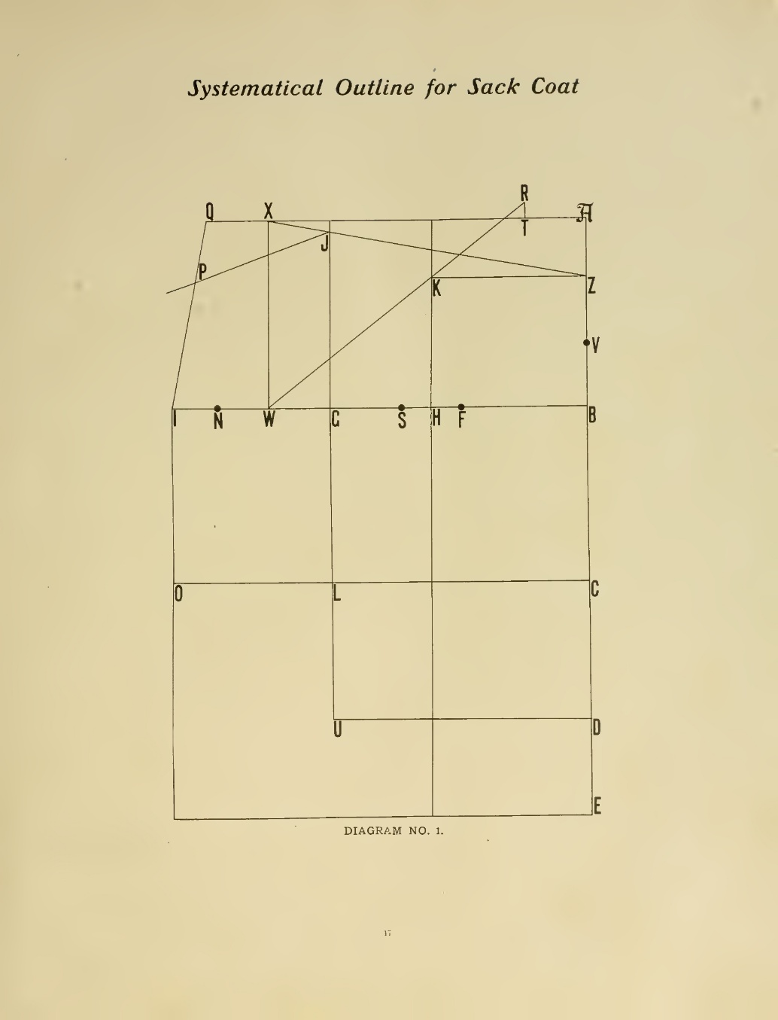
 | Point Q at 16.875in
 | Square down these points to the indicated length: |  |  |  |  | 45

 | Square up from Point T 0.75in, and mark point R at this point |  |  | Reference Points
 | Square down from Point H1 just more than 30in |  |  | Name | x | y | Name | x | y
 | Square down from Point G1 just more than 24.375in |  |  | A | 0.00 | 0.00 | A | 0.00 | 0.00
 |  |  |  | V | 0.00 | 5.33 | V | 0.00 | -5.33
 | From point B, square across just more than 18.25in. Mark these points along the line, measured from B: |  |  | B | 0.00 | 8.33 | B | 0.00 | -8.33
 |  |  |  | C | 0.00 | 18.00 | C | 0.00 | -18.00
 | At the intersection of lines (6.875in away from line A), mark the letter H |  |  | D | 0.00 | 24.33 | D | 0.00 | -24.33
 | At the intersection of lines (11.5in away from line A), mark the letter G |  |  | E | 0.00 | 30.00 | E | 0.00 | -30.00
 | At 14.125in away from line A, mark the letter W |  |  | F | 5.33 | 8.33 | F | -5.33 | -8.33
 | At 16in away from line A, mark the letter N. This is the breast measurement. |  |  | H | 6.83 | 8.33 | H | -6.83 | -8.33
 | At 18.25in away from line A, mark the letter I |  |  | S | 8.00 | 8.33 | S | -8.00 | -8.33
 |  |  |  | G | 11.50 | 8.33 | G | -11.50 | -8.33
 | From point C, square across just more than 18.25in. Mark these points along the line, measured from C: |  |  | L | 11.50 | 18.00 | L | -11.50 | -18.00
 |  |  |  | U | 11.50 | 24.33 | U | -11.50 | -24.33
 | At the intersection of lines (11.5in away from line A), mark the letter L |  |  | W | 14.17 | 8.33 | W | -14.17 | -8.33
 | At 18.25in away from line A, mark the letter O |  |  | N | 16.00 | 8.33 | N | -16.00 | -8.33
 |  |  |  | I | 18.25 | 8.33 | I | -18.25 | -8.33
 | From point D, square across just more than 11.5in. Mark point U at the intersection (11.5in away from line A). |  |  | O | 18.25 | 18.00 | O | -18.25 | -18.00
 |  |  |  | X | 14.17 | 0.00 | X | -14.17 | 0.00
 |  |  |  | Q | 16.83 | 0.00 | Q | -16.83 | 0.00
 | From point E, square down through O for a total length of around 24in down from I (inexact) |  |  | T | 2.67 | 0.00 | T | -2.67 | 0.00
 |  |  |  | R | 2.67 | -0.75 | R | -2.67 | 0.75
 |  |  |  | K | 6.83 | 3.29 | K | -6.83 | -3.29
 | Connect points W and R, and mark point K where this line crosses the square down from H1 |  |  | Z | 0.00 | 3.29 | Z | 0.00 | -3.29
 | Connect points X and Z, and mark point J where this line crosses the square down from G1 |  |  | J | 11.50 | 0.76 | J | -11.50 | -0.76
 | Connect points Q and I, and mark point P at 2.625in from Q along this line. |  |  | P | 17.28 | 2.54 | P | -17.28 | -2.54
 | Connect points P and J

